Syndigo Letter
Please follow one of the following links below:
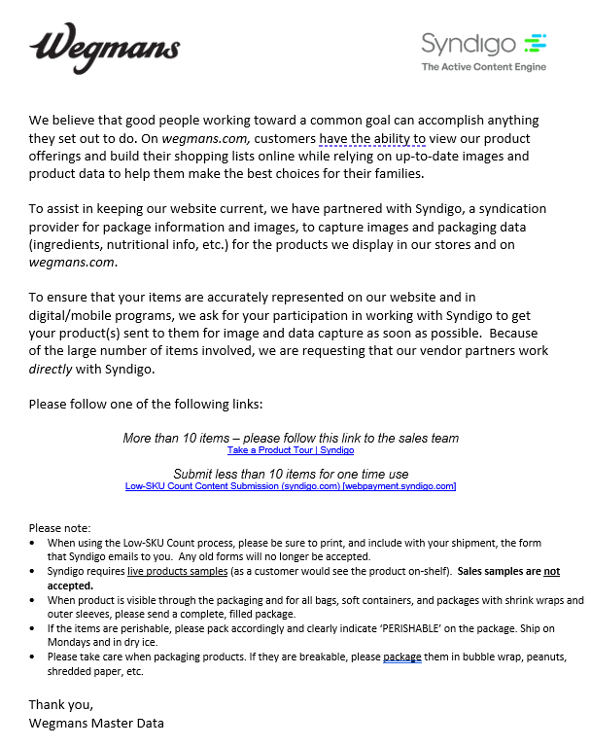
More than 10 items – please follow this link to the sales team
Syndigo.com

Submit less than 10 items for one time use
Low-SKU Count Content Submission (syndigo.com)

626600 - 8426 - db

SmarterX
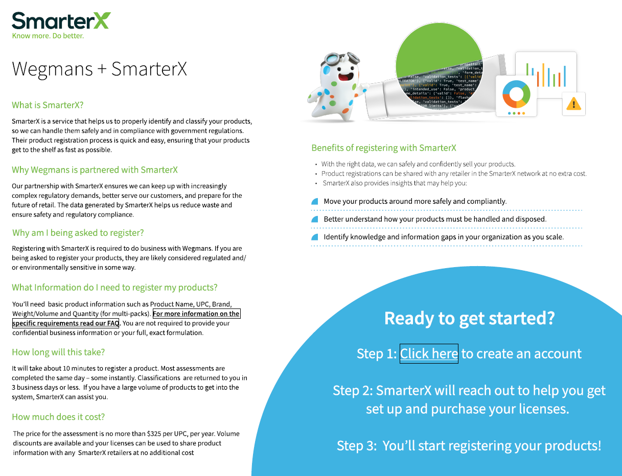
Here’s a link to begin registration in the Smarter Sorting Classification Portal for a regulated product sold at Wegmans: Smarter Sorting

Does My Product Need to be Registered in the Smarter Sorting Classification Portal

Sell Sheet
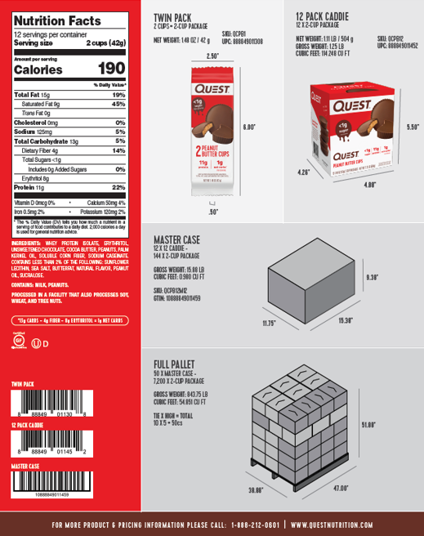
Copy and paste sell sheet below or send sell sheet over with NIFS to the MDM team | example below:

