Cover Page
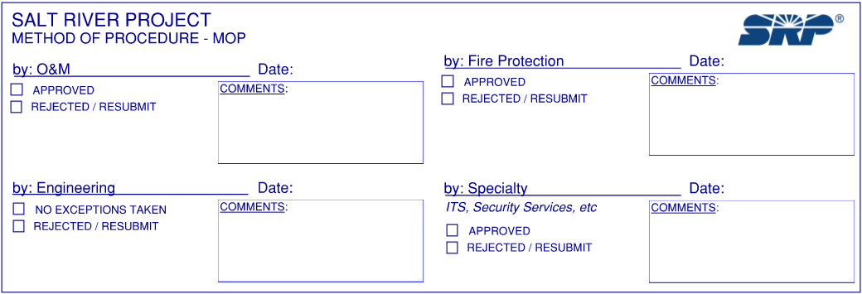

Salt River Project PO Box 85072 Phoenix, Arizona 85072

METHOD OF PROCEDURE (MOP) REQUEST FOR REVIEW
 | DUE 3 WEEKS BEFORE OUTAGE FOR REVIEW

SUBJECT: |  | SUBMISSION DATE:

PROJECT TITLE: |  | SRP PM:

SUPPLIER: |  | SRP W/O #:

REMITTER:

COMMENTS:

FOR SRP USE:

Elect One-Line Diagram
